Sheet1
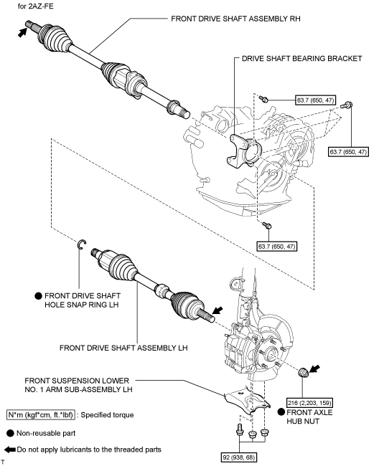
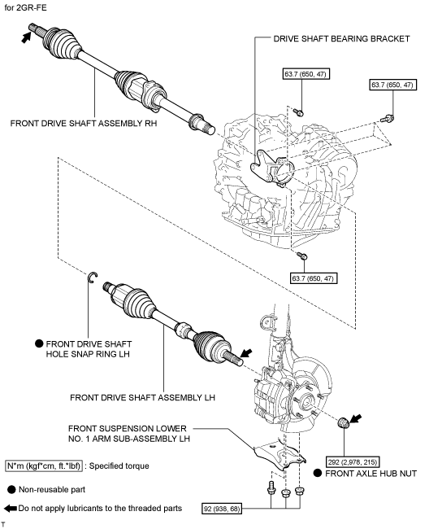
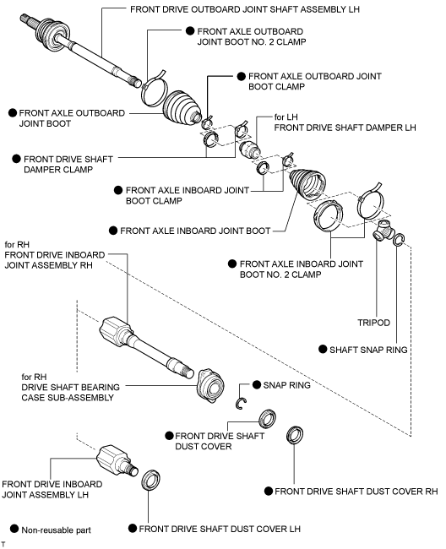
2008 Toyota Rav4 Sport 2.4
DRIVE AXLES, BEARINGS AND JOINTS COMPONENTS/DRIVE AXLE SHAFT ASSEMBLY
Your Vehicle: 2008 Toyota Truck RAV4 2WD L4-2.4L (2AZ-FE)

 | Vehicle » Transmission and Drivetrain » Drive Axles, Bearings and Joints » Axle Shaft Assembly » Service and Repair » Components

 | Components

DRIVE SHAFT: FRONT DRIVE SHAFT ASSEMBLY (for 2WD): COMPONENTS

COMPONENTS

ILLUSTRATION

